1
Computing and using single plantwide allocation rate

Fitzgerald makes handheld calculators in two models—basic and professional. Fitzgerald estimated $812,500 of manufacturing overhead and 625,000 machine hours for the year. The basic model actually consumed 250,000 machine hours and the professional model consumed 375,000 machine hours.
Compute the predetermined overhead allocation rate using machine hours (MHr) as the allocation base. How much overhead is allocated to the basic model? To the professional model?
Fitzgerald makes handheld calculators in two models—basic and professional—and wants to refine its costing system by allocating overhead using departmental rates. The estimated $812,500 of manufacturing overhead has been divided into two cost pools—Assembly Department and Packaging Department. The following data have been compiled:
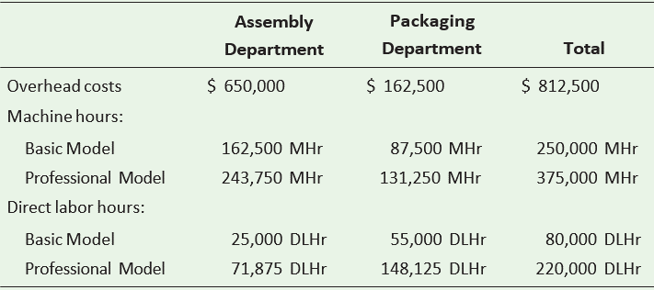

Compute the predetermined overhead allocation rates using machine hours as the allocation base for the Assembly Department and direct labor hours for the Packaging Department. How much overhead is allocated to the basic model? To the professional model?

predetermined overhead allocation rate |  | = | Estimated Manufacturing overhead
 |  |  | Estimated machine hours

 |  | = | $812,500.00
 |  |  | 625000 | Mhr

 |  | = | $1.3 | per MHr

Overhead Allocated to Basic model |  | = | Predetermined Overhead allocation rate |  |  | x | Effective Machine hours allocated
 |  | = | $1.3 | per MHr |  | x | 250000 | MHr
 |  | = | $325,000.00

Overhead Allocated to professional model |  | = | Predetermined Overhead allocation rate |  |  | x | Effective Machine hours allocated
 |  | = | $1.3 | per MHr |  | x | 375000 | MHr
 |  | = | $487,500.00

Predetermined overhead allocation rate |  | = | Estimated Manufacturing Overhead |  | / | Estimated volume of allocation base
Assembly Department |  | = | $650,000.00 |  | / | 162500 | MHr | + | 243750 | Mhr | = | $1.60 | Per MHr
Packaging Department |  | = | $162,500.00 |  | / | 55000 | DlHr | + | 148125 | DLHr | = | $0.80 | Per DLHr
Predetermined Overhead allocation rate for Assembly Department |  | = | $1.60 | Per MHr
Predetermined overhead allocation rate for Packaging Department |  | = | $0.80 | Per DLHr

 | Assembly department | Packaging department |  | Overhead costs allocated
Basic model | 162.500 MHr x $1.60 per Mhr |  | 55.000 DLhr x $0.8 per DLhr
Basic model | $260,000.00 |  | $44,000.00 | $304,000.00
Professional model | 243.750 Mhr x $1.60 per Mhr |  | 148.125 DLhr x $0.8 per DLhr
Professional model | $390,000.00 |  | $118,500.00 | $508,500.00

3
Computing operating income

Decker, Inc. has collected the following data for November (there are no beginning inventories):
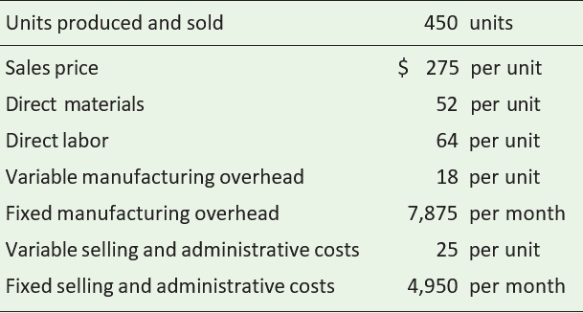

Requirements
1. Using absorption costing, calculate the unit product cost.
2. Prepare an income statement using the traditional format.
3. Using variable costing, calculate the unit product cost.
4. Prepare an income statement using the contribution margin format

Requirement 1
Cost | Absorption costing
Direct materials | $52.00
Direct Labor | $64.00
Variable manufacturing overhead | $18.00
Fixed manufacturing overhead | $17.50
Product cost per unit | $151.50

Requirement 2
Income statement
Traditional
Decker, Inc.
30, November
Sales | $123,750.00
(Less) Cost of goods sold | $68,175.00
Gross Profit | $55,575.00
(Less) Selling and administrative expenses:
Variable Selling & administrative expenses | $11,250.00
Fixed selling & administrative expenses | $4,950.00
total Selling and administrative expenses | $16,200.00
Operating income | $39,375.00

Requirement 3
Cost | Variable Costing
Direct materials | $52.00
Direct Labor | $64.00
Variable manufacturing overhead | $18.00
Product cost per unit | $134.00

Requirement 4
Income statement
Contribution margin
Decker, Inc.
30, November
Sales |  | $123,750.00
Less Variable Expenses:
Variable Costs of Goods sold | $60,300.00
Variable Selling and administrative costs | $11,250.00 | $71,550.00
Contribution margin |  | $52,200.00
Less Fixed Expenses:
Fixed Manufacturing overhead | $7,875.00
Fixed Selling and afministrative costs | $4,950.00 | $12,825.00
Operating income |  | $39,375.00

